Sheet1
 | Quantity
Electronics and more |  |  | Bill
Infrared LEDS and phototransistors | 7 | https://www.adafruit.com/product/2167 | $13.65
servo motors | 2 | https://www.sparkfun.com/products/11965 | $25.90
2 strip pigtail | 10 | https://www.sparkfun.com/products/14574 | $14.25
2 strip pigtail | 14 | https://www.sparkfun.com/products/14575 | $17.50
acrylic glass (Black, 12"x12", 1/4") | 1 | https://www.mcmaster.com/8505K754 | $9.98
servo coupler | 2 | https://www.sparkfun.com/products/12501 | $9.98
Servo coupler shaft D ¼”” L 6.00”” | 2 | https://www.sparkfun.com/products/12391 | $5.78
Sandpaper | 0 (already have) |  | $15.95
Stepper Motor | 1 | https://www.sparkfun.com/products/9238
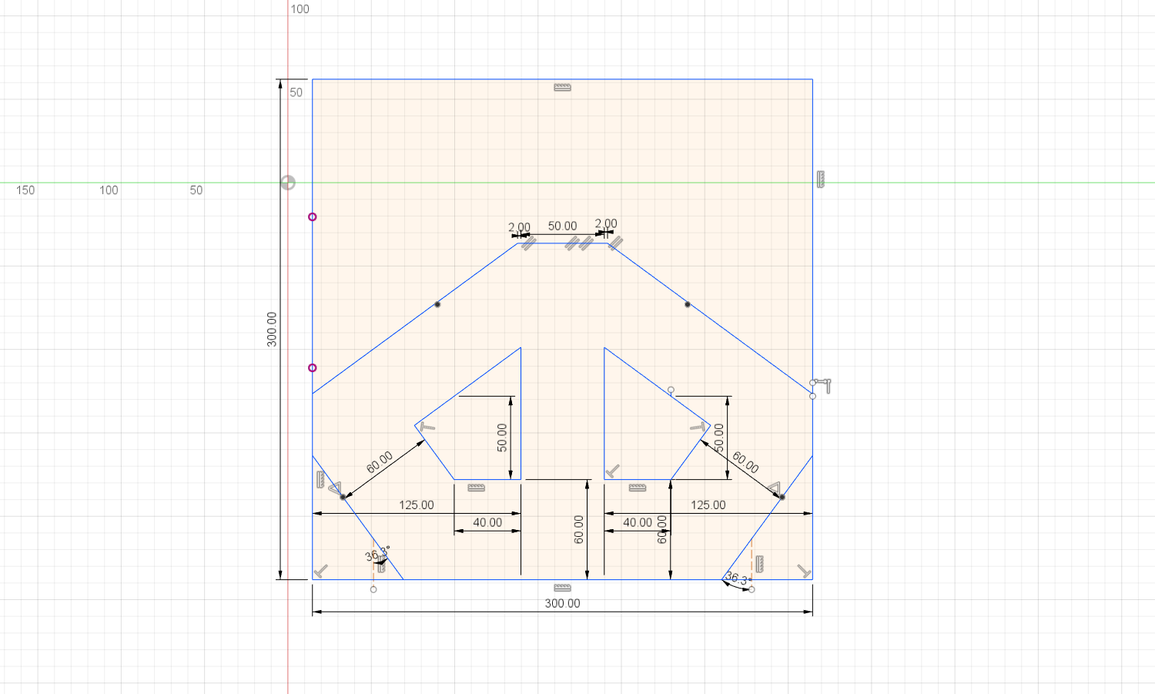
1
2
3
4
5
6
7
8
9
10
11
12
13
14
15
3D Print
(1) Outer Front wall
(2) Outer Left front wall
(3) Outer Right front wall
(4) Outer Left wall
(5) Outer Right wall
(6) Outer left far wall
(7) outer right far wall
(8) Inner right 1
(9) Inner right 2
(10) Inner right 3
(11) Inner right 4
(12) Inner left 1
(13) Inner left 2
(14) Inner left 3
(15) Inner left 4
rotating panel | 4
Total |  |  | $112.99

